Keg Calcs
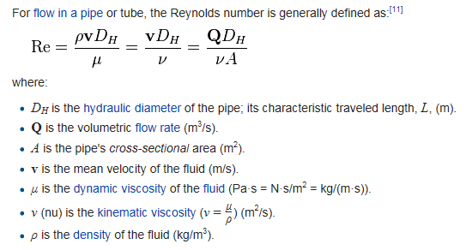
 |  | INPUTS IN YELLOW
Desired Pressure in Keg | DP | 12 | lb/in2 | 1728 | lb/ft2
Specific Gravity of Beer (Final Gravity) | SG | 1.010
Vertical Distance - Center of Keg to Tap | z2 | 2.58 | ft
Tubing Inner Diameter | D | 0.1875 | in | 0.015625 | ft
Absolute Roughness of tubing | e | 4.92E-06 | ft
Desired Flow Rate |  | 10 | sec/pint

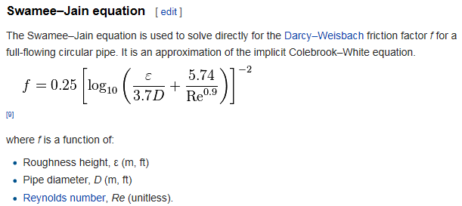
 |  | CALCS IN BLUE
Density of Water (@40 deg F) | r | 1.94 | slugs/ft3 | 62.41765506 | lbFs2/ft4
Specific Weight of Beer | g | 63.041831611 | lb/ft3
Cross Sect Area of tubing | A | 0.00019174759849 | ft2
Volumetric Flow Rate | Q | 0.0016710069444 | ft3/sec
Fluid Velocity | v | 8.7146173282 | ft/sec
Dynamic Viscosity (@40 deg F) | u | 3.26028E-05 | lbf s/ft2
Kinematic Viscosity (@40 deg F) | n | 1.680556701E-05 | ft2/s
Reynolds Number | Re | 8102.4279436
Friction factor | f | 0.032888353187
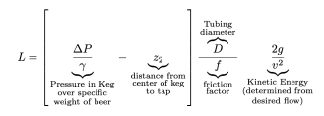
Length of tubing to use | L= | 10.00 | ft

Assumptions:
1) Serving Temperature is 40 degrees.
2) Beer viscosity is similar to water * S.G.
3) Clear PVC tubing uses an assumed absolute surface roughness of 4.92E-06 ft.
4) Vertical distance value is the average height of the beer surface in the keg during the life of the keg contents (full to empty) and doesn't change.
5) There may be errors in these calculations. Use at your own risk.

Compiled using Mike Soltys' online article, Determining Proper hose length for your Kegerator, as a guide. Thank you, Mike! Great article!
http://www.mikesoltys.com/2012/09/17/determining-proper-hose-length-for-your-kegerator/

 |  |  |  |  |  | Support my work by donating on PayPal:
 |  |  |  |  |  | PayPal Donation for BEER-N-BBQ by Larry

Density vs Temp
Density of Water
Temperature | Density
32 | 1.94
40 | 1.94
50 | 1.94
60 | 1.938
70 | 1.936
80 | 1.934
90 | 1.931
100 | 1.927
120 | 1.918
140 | 1.908
160 | 1.896
180 | 1.883
200 | 1.869
212 | 1.86

Dynamic Viscosity vs Temp
Temperature | Dynamic Viscosity
- t - | - µ -
(oF) | (lbf s/ft2) x 10-5
32 | 3.732
40 | 3.228
50 | 2.73
60 | 2.344
70 | 2.034
80 | 1.791
90 | 1.58
100 | 1.423
120 | 1.164
140 | 0.974
160 | 0.832
180 | 0.721
200 | 0.634
212 | 0.589

